1DGROWTH
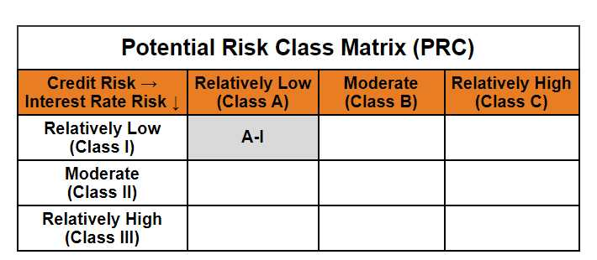
 | Mirae Asset Nifty 1D Rate Liquid ETF - Growth

 | (Exchange Traded Fund (ETF) - An open-ended listed liquid scheme in the form of an Exchange Traded Fund tracking Nifty 1D Rate Index, with growth option. A relatively low interest rate risk and relatively low credit risk)

 | NSE Symbol: LIQUIDPLUS BSE Scrip Code: 544284
 | Mirae Asset Nifty 1D Rate Liquid ETF - Growth

 | Monthly Portfolio Statement as on January 31,2025
 | Name of the Instrument | ISIN | Industry / Rating | Quantity | Market/Fair Value(Rs. in Lacs) | % to Net Assets | YTM
 | TREPS / Reverse Repo
TRP_030225 | TREPS |  |  |  | 15,735.41 | 99.52% | 6.57%
 | Sub Total |  |  |  | 15,735.41 | 99.52%
 | Total |  |  |  | 15,735.41 | 99.52%
 | Net Receivables / (Payables) |  |  |  | 76.24 | 0.48%
 | GRAND TOTAL |  |  |  | 15,811.65 | 100.00%

 | Modified duration | 0.01

 |  | Portfolio Information
 | Scheme Name | Mirae Asset Nifty 1D Rate Liquid ETF
 | Description (if any)

 | Annualised Portfolio YTM* : | 6.57%

 | Macaulay Duration | 0.01
 | Residual Maturity (Average Maturity) (in Days) | 2.99

 | As on (Date) | 31-01-2025
 | * in case of semi annual YTM, it will be annualised

